Cax Graph
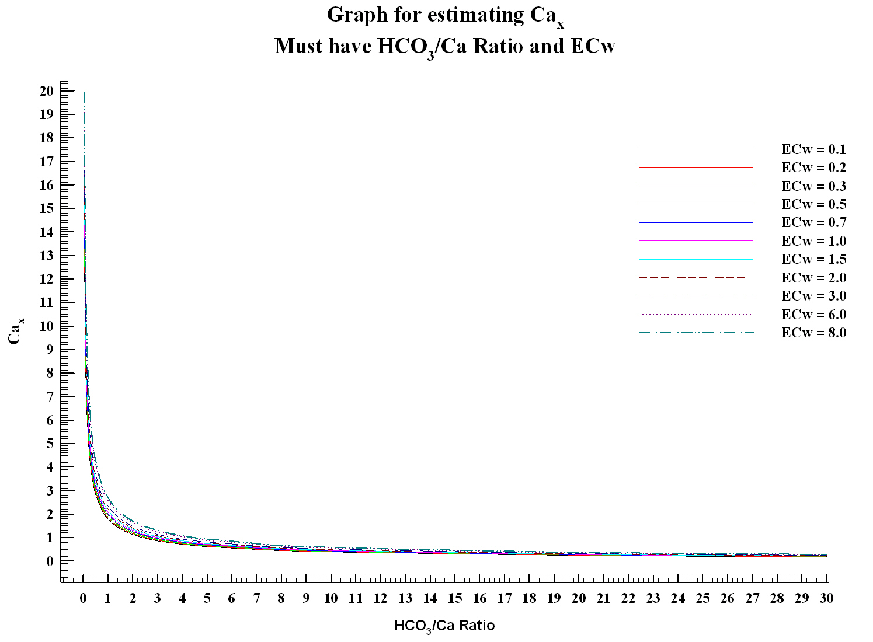

Estimated Cax from graph
E.C. from report: | 0
Calculated HCO3/Ca: | #DIV/0!
Move vertical lines to intersect nearest ECw (use the zoom function to assist alignment).

Enter Cax from graph here:

